Example 15-26
Example 15-26. Gas-Liquid Two-Phase Vertical Downflow by A.K. Coker

In a vertical flow, large gas bubbles are formed in the liquid stream known as slug flow.
This flow regime is associated with pipe vibration and pressure pulsation. With bubbles
greater than 1 inch in diameter and the liquid viscosity less than 100 cP, slug flow region
can be represented by dimensionless numbers for liquid and gas phases respectively
(Froude numbers, (NFr)L and (NFr)G. These are related by the ratio of inertial to gravitational
force and are expressed as:

This spreadsheet calculates the Froude numbers of vapor-liquid Two-phase vertical pipe.

Nomenclature

AREA= | Internal corss sectional area of pipe, ft2
D= | Inside diameter of pipe, inch.
FRNL= | Froude number of liquid phase
FRNG= | Froude number of gas phase
G= | Gravitational constant (32.2 ft/s2 )
DENL= | Liquid density, lb/ft3
VL= | Liquid velocity, ft/s
VG= | Gas velocity, ft/s
WL= | Liquid flow rate, lb/h
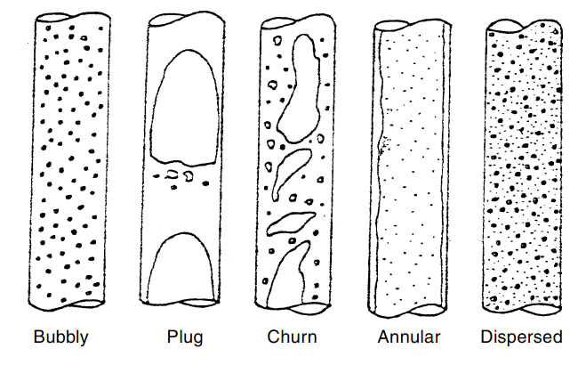
WG= | Gas flow rate, lb/h

The algorithms

If (NFr)L < 0.31, Vertical pipe is SELF VENTING
ELSE
0.3 ≤ (NFr)L < 1.0, PULSE FLOW, and may result in pipe vibration
(NFr)L > 1.0, NO PRESSURE GRADIENT.

Calculate the Froude numbers and flow conditions for the 2, 4 and 6 inch (Sch. 40) vertical
pipe having the following liquid and vapor flow rates and densities.

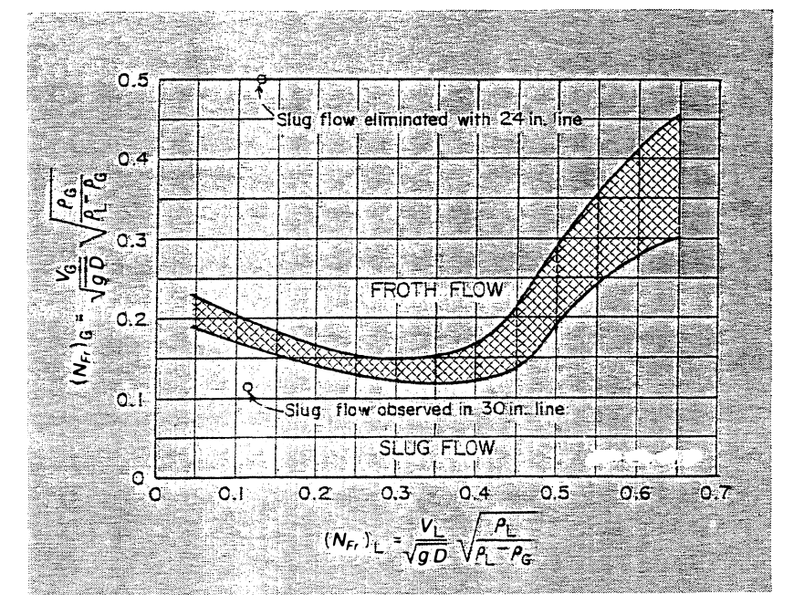
WL= | 6930 | lb/hr | WG= | 1444 | lb/hr
RHOL= | 61.8 | lb/ft3 | RHOG= | 0.135 | lb/ft3
G= | 32.2 | ft/sec2
SOLUTION

PIPE SIZE |  |  | 2 inch | 4inch | 6 inch
 |  | I.D, in.= | 2.067 | 4.026 | 6.065
 |  | I.D, ft= | 0.17225 | 0.3355 | 0.50541666667

 |  | Area, ft2= | 0.023302812595 | 0.088404613622 | 0.2006268247

Liquid superficial velocity, vL is:

 |  | vL, ft/s= | 1.3366999021 | 0.35234436347 | 0.15525773964

Gas superficial velocity, vG is:

 |  | vG, ft/s= | 127.50363946 | 33.60903118 | 14.809552113

 |  | (NFr)L= | 0.56820000698 | 0.10731687058 | 0.038527906676

 |  | (NFr)G= | 2.5331595624 | 0.47844201615 | 0.17176581137

 |  |  | -

 |  |  | PULSE FLOW, AND MAY RESULT IN PIPE VIBRATION

 |  |  | FALSE

 |  |  |  | Vertical Pipe is SELF VENTING

 |  |  |  |  | Vertical Pipe is SELF VENTING

